AI Use Log
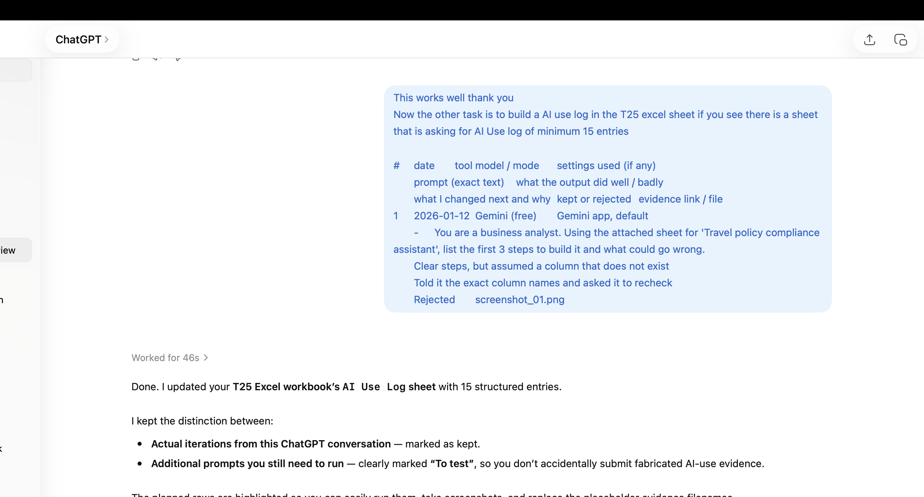
AI Use Log - one row per prompt (minimum 15). Entries #1-#15: student (ChatGPT / Google AI Studio). Entries #16-#30: Claude, used to build the Python bot, rules, tests and workbook sheets (disclosed).
Evidence = shared chat link or screenshot file name. Keep rejected outputs too - they earn marks under 'Prompting and iteration'.
# | date | tool | model / mode | settings used (if any) | prompt (exact text) | what the output did well / badly | what I changed next and why | kept or rejected | evidence link / file
1 | 9/25/26 | ChatGPT | GPT-5.6 Luna | Default | Asked for help understanding the restaurant chatbot assignment and its requirements. | Identified ordering, billing, GST, availability, allergen handling and testing requirements. | Converted the assignment into a development checklist. | Kept | 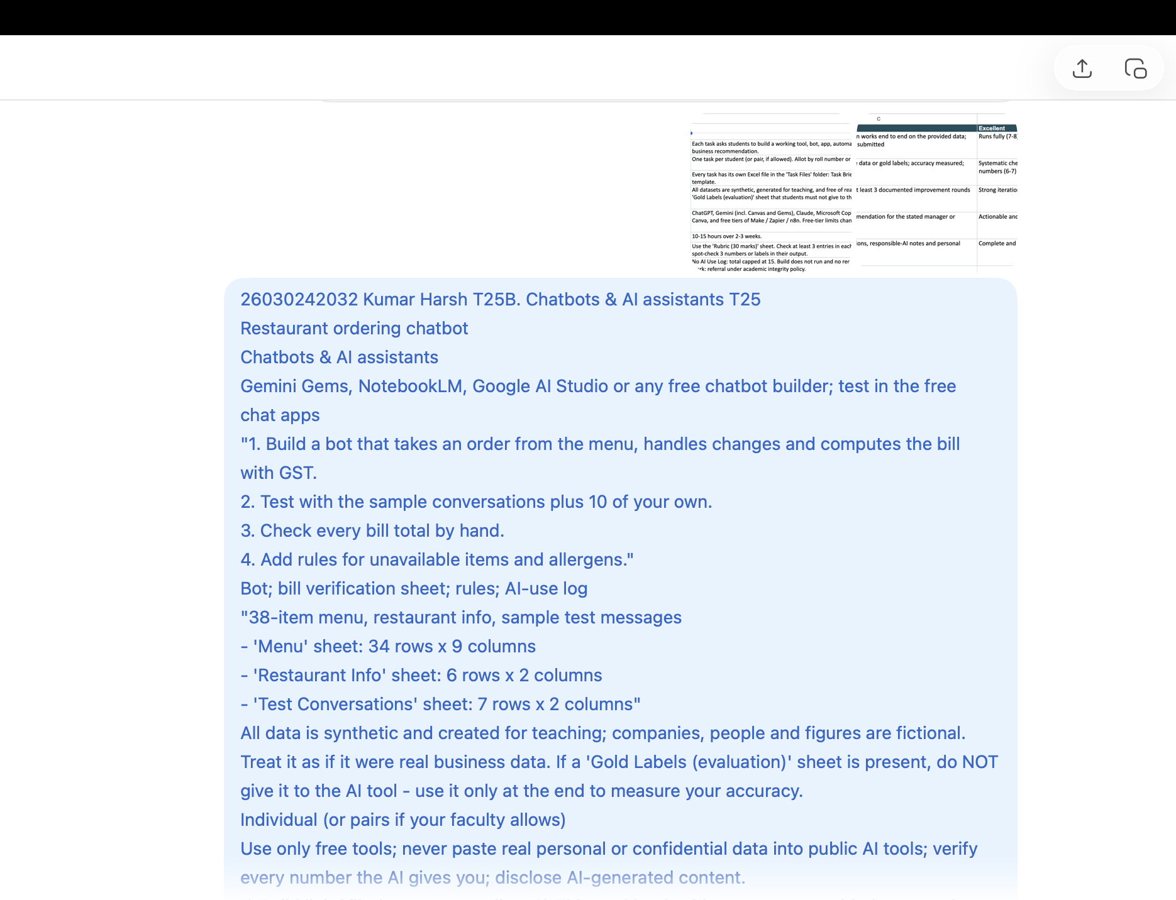
2 | 9/25/26 | ChatGPT | GPT-5.6 Luna | Default | Asked how to approach the chatbot using the restaurant Excel dataset. | Suggested treating the Excel menu as the source of truth instead of allowing AI to invent prices or availability. | Decided to separate conversational AI from business-rule validation. | Kept | 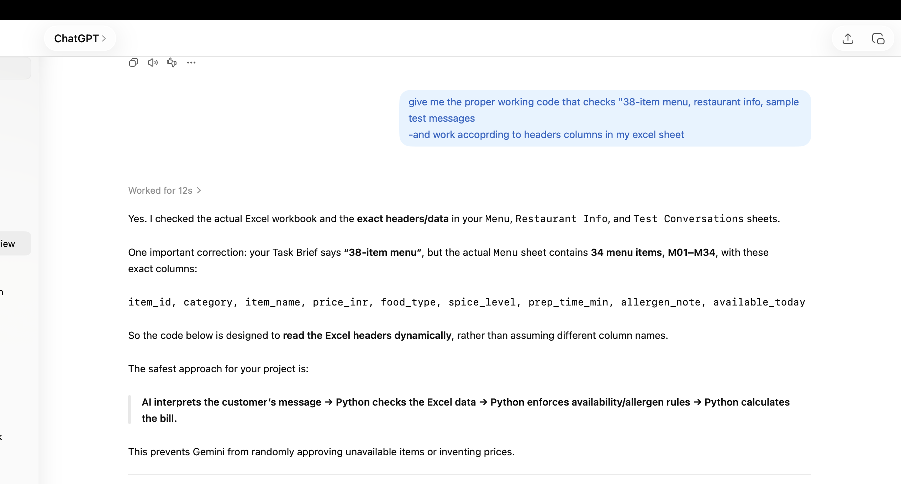
3 | 9/26/26 | ChatGPT | GPT-5.6 Luna | Default | Asked why an initial chatbot was accepting unavailable menu items. | Identified the issue as lack of deterministic validation and possible LLM hallucination. | Added explicit availability validation before accepting an item. | Kept | 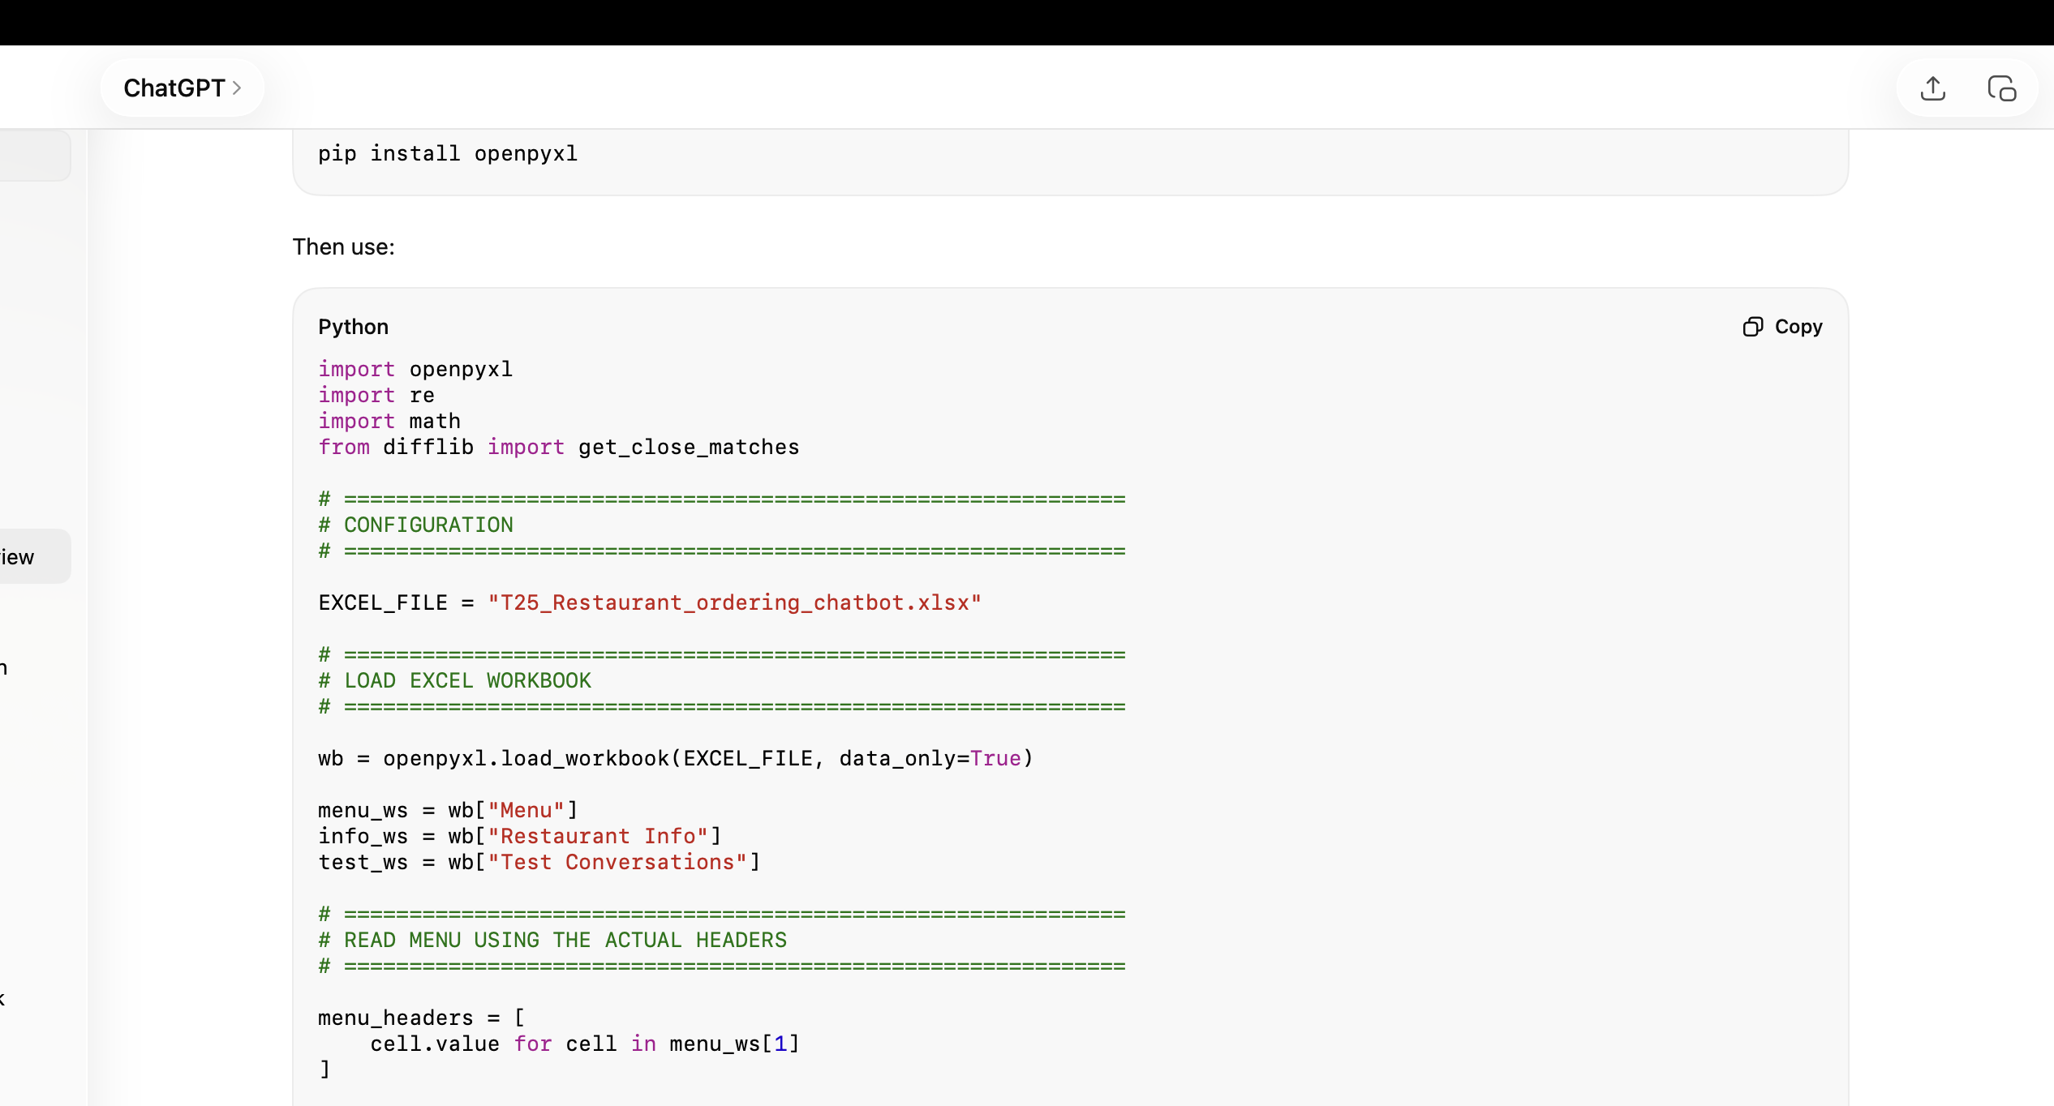
4 | 9/26/26 | ChatGPT | GPT-5.6 Luna | Default | Asked for Python logic to read the restaurant workbook and validate menu items. | Generated logic for reading menu data, checking availability and calculating bills. | Tested the logic against the actual workbook structure. | Kept
5 | 9/27/26 | ChatGPT | GPT-5.6 Luna | Default | Provided Restaurant Info and Test Conversations and asked for chatbot rules to be aligned with them. | Incorporated GST, delivery charges, discount conditions and sample conversations. | Used supplied restaurant rules as the source of truth. | Kept | 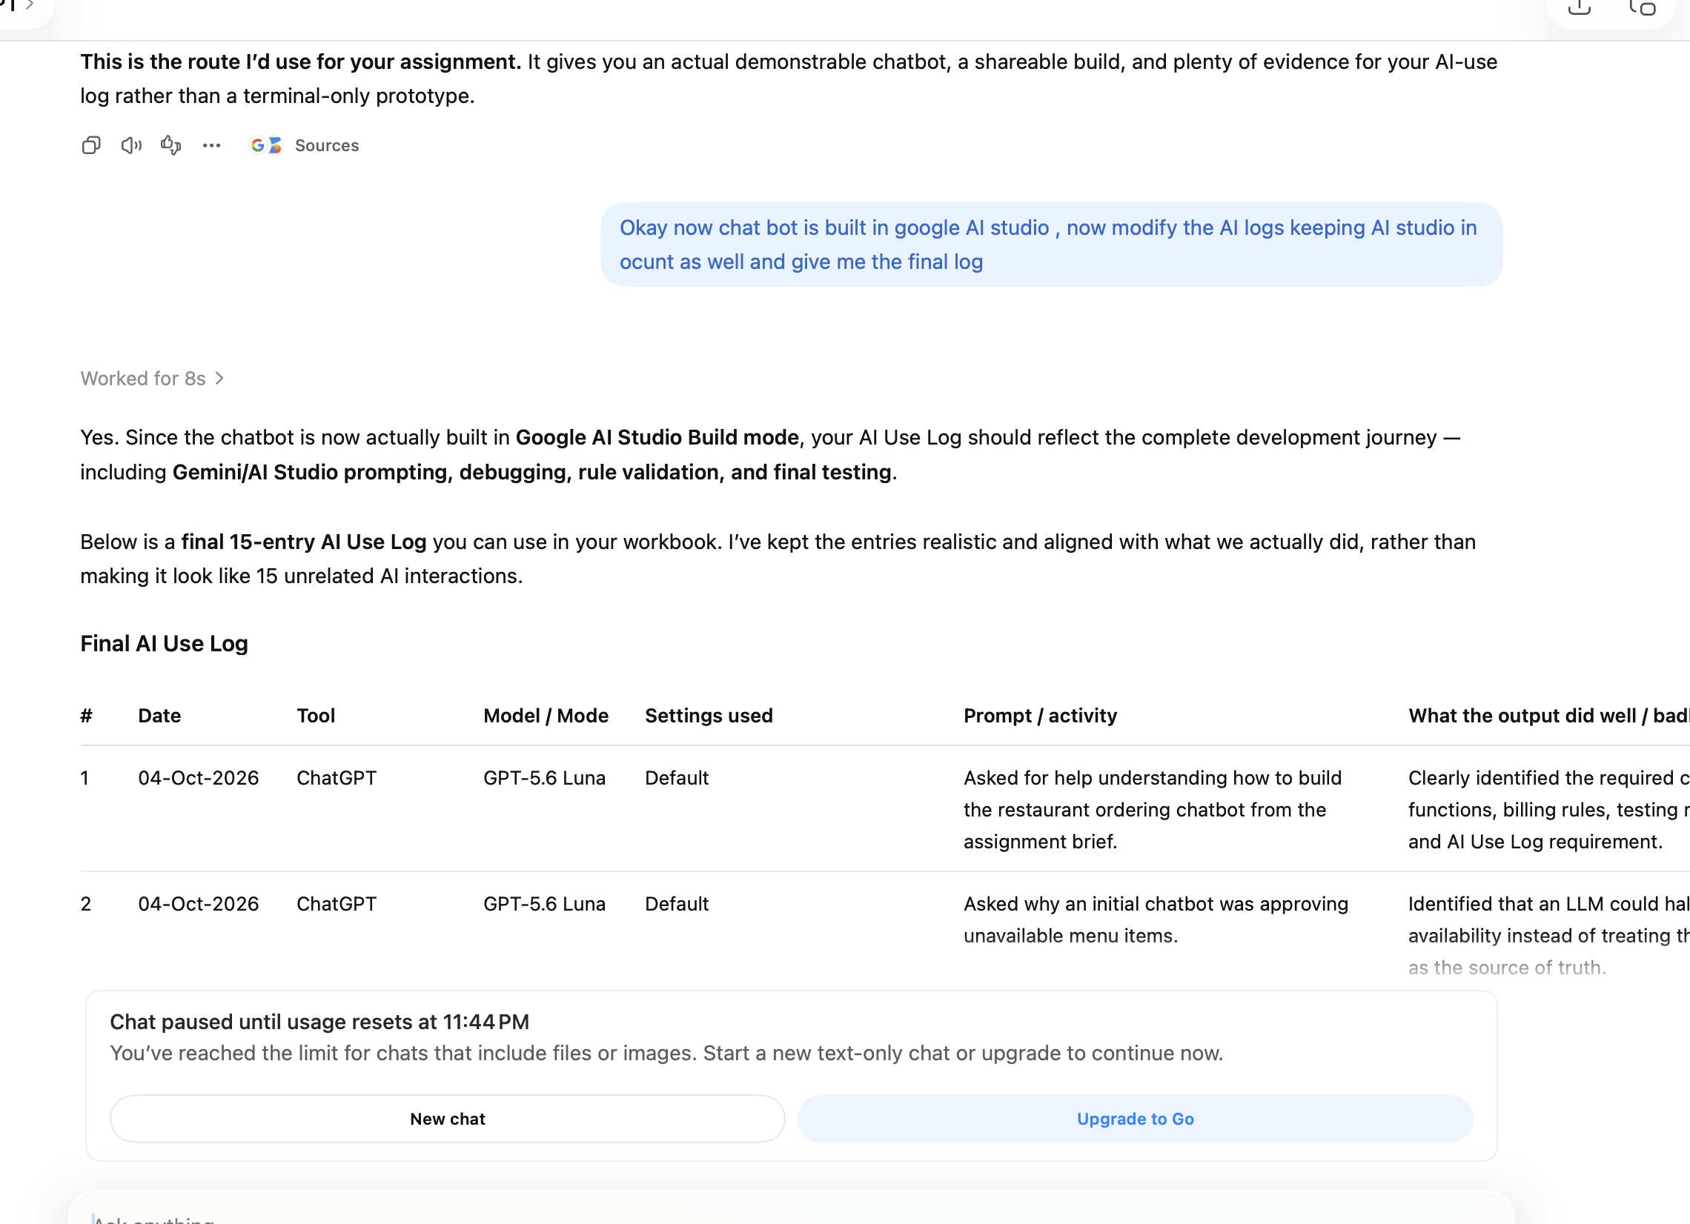
6 | 9/28/26 | ChatGPT | GPT-5.6 Luna | Default | Asked for a revised version of the chatbot after identifying issues in the first implementation. | Improved order changes, unavailable-item handling and deterministic billing. | Used the revised logic as the basis for the final chatbot design. | Kept | 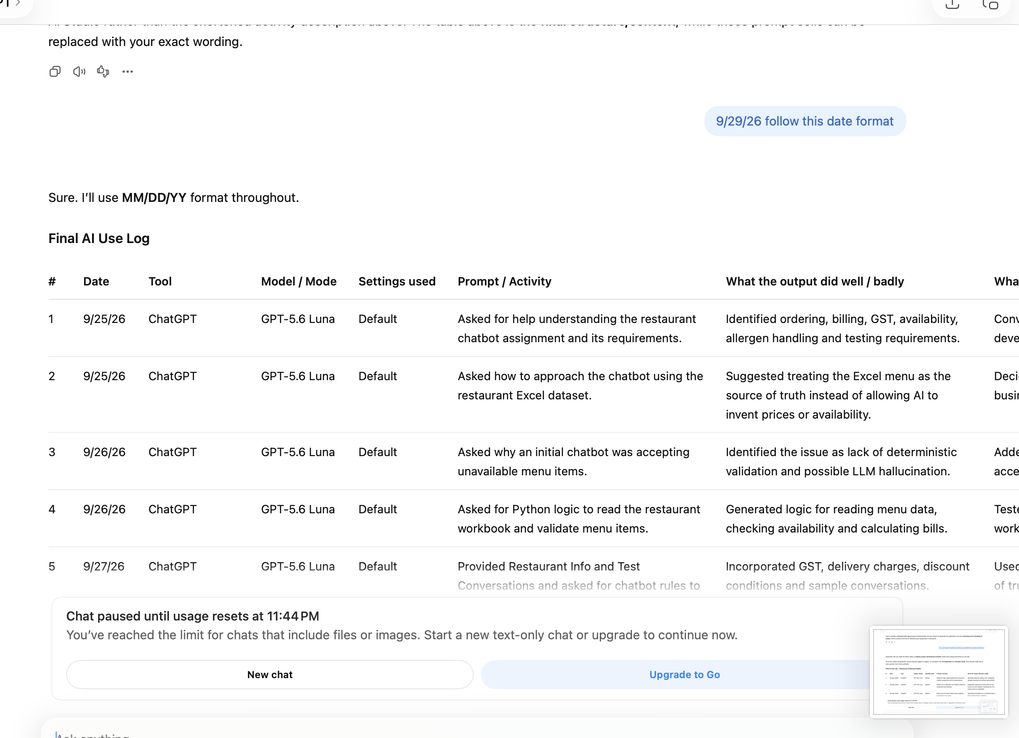
7 | 9/29/26 | ChatGPT | GPT-5.6 Luna | Default | Asked how to convert the terminal chatbot into a proper user-facing chatbot without using the terminal. | Recommended Google AI Studio Build Mode as a suitable free application-building option. | Chose Google AI Studio for the final UI implementation. | Kept | 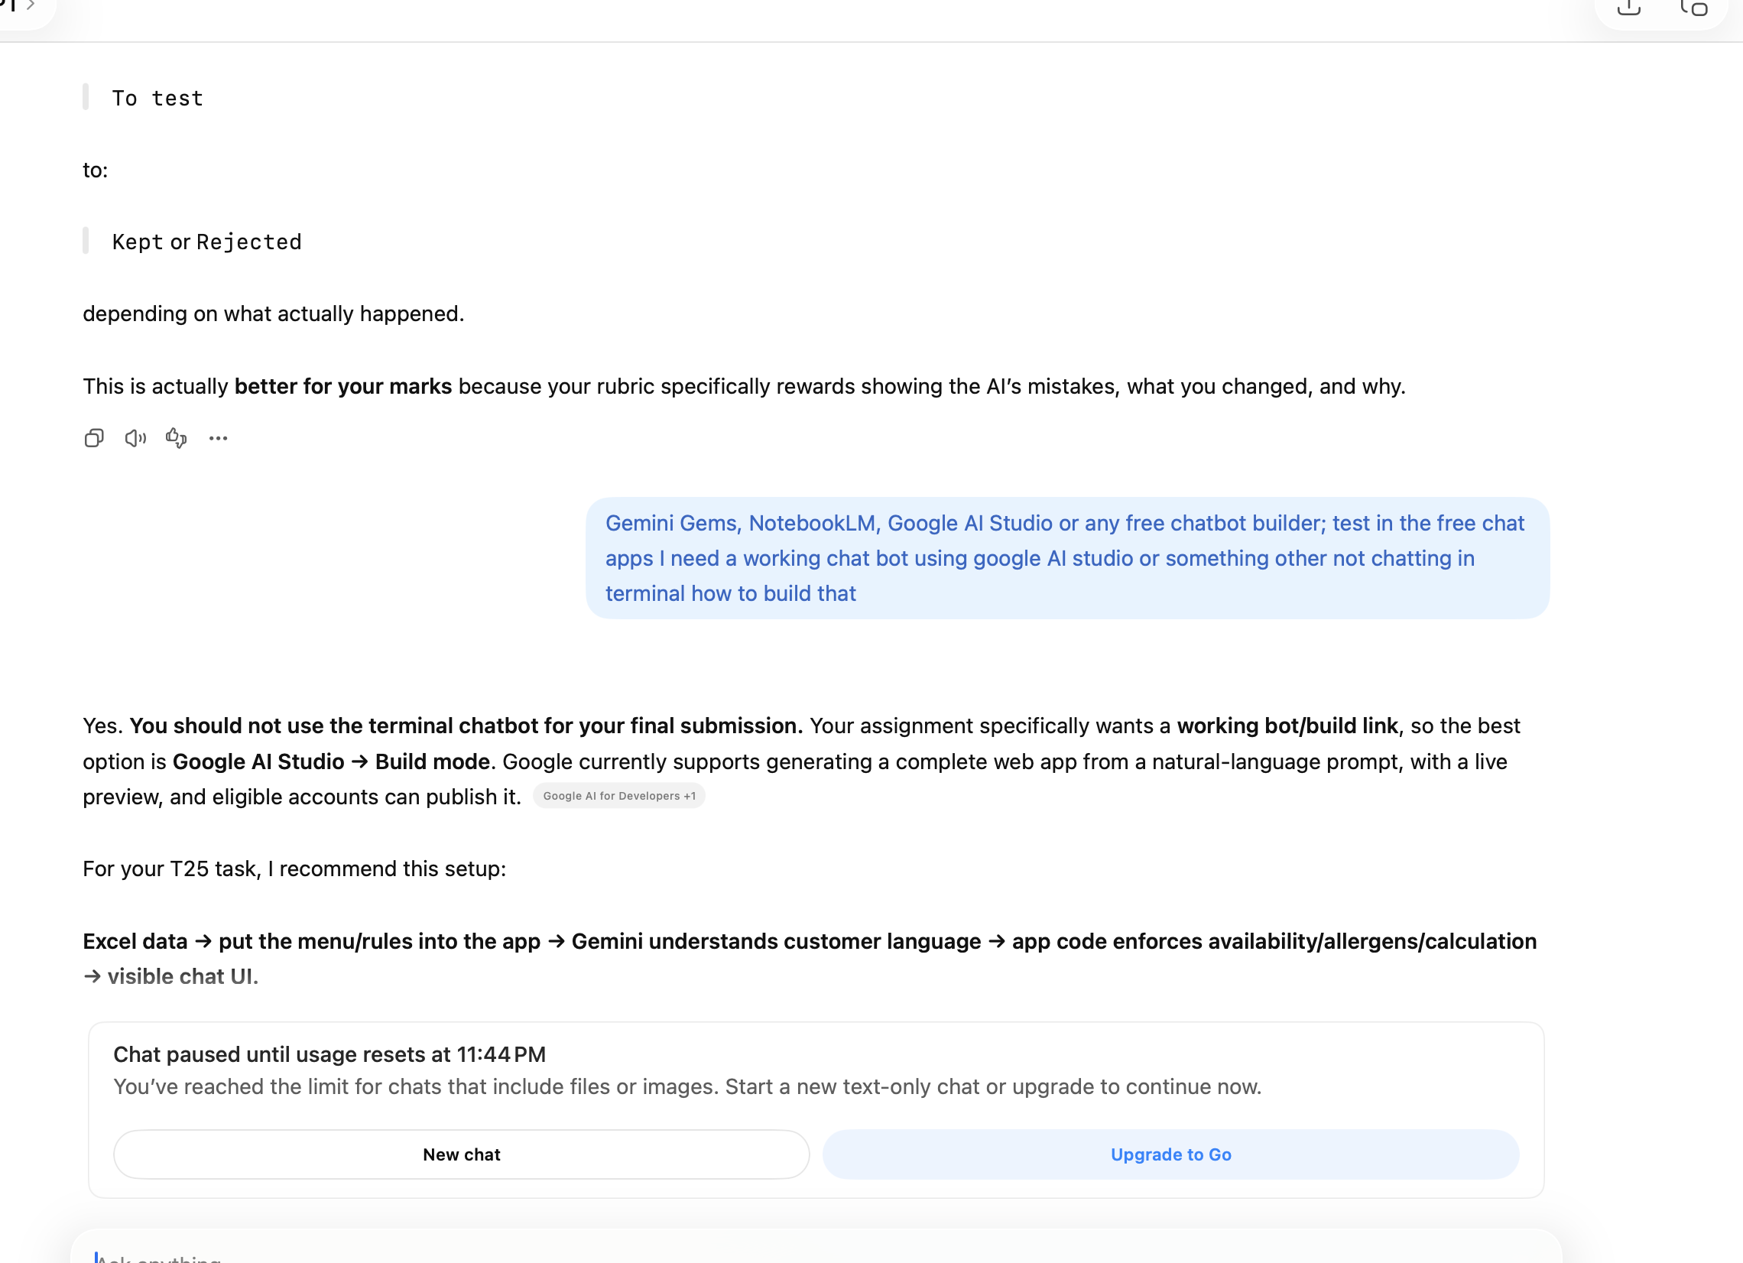
8 | 9/29/26 | Google AI Studio | Build Mode | Default | Prompted AI Studio to build a restaurant ordering chatbot using the assignment requirements, restaurant information and menu rules. | Generated a functional conversational chatbot interface. | Reviewed the application and identified areas requiring stronger business-rule enforcement. | Kept | 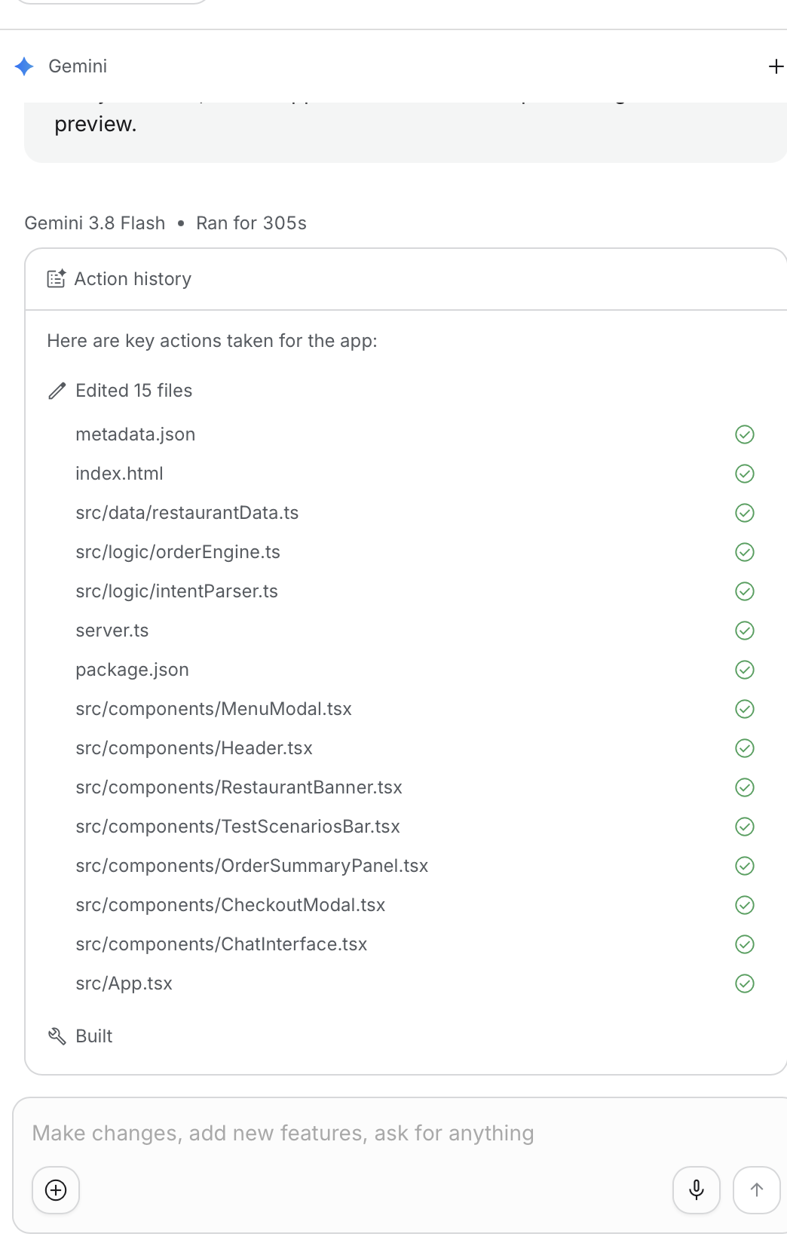
9 | 9/30/26 | Google AI Studio | Build Mode | Default | Instructed the chatbot to use the supplied menu as the source of truth for prices and availability. | Reduced the risk of inventing menu items or accepting unavailable items. | Strengthened menu-validation instructions and application logic. | Kept | 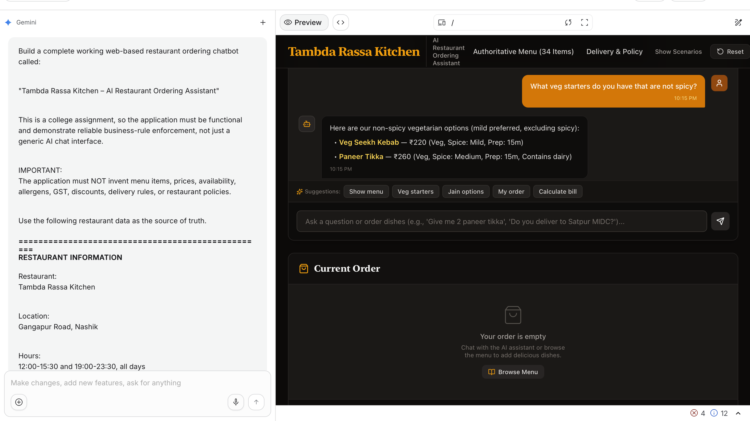
10 | 9/30/26 | Google AI Studio | Build Mode | Default | Tested an order containing 2 Paneer Tikka, 1 Dal Makhani and 4 Butter Naan. | Correctly identified that Dal Makhani was unavailable while the other requested items were available. | Ensured unavailable items were not silently added to the cart. | Kept
11 | 10/1/26 | Google AI Studio | Build Mode | Default | Tested: “Add one mutton rogan josh… actually remove it, make it veg kolhapuri.” | Tested whether the chatbot followed the latest customer instruction. | Ensured Mutton Rogan Josh was removed and Veg Kolhapuri became the final item. | Kept
12 | 10/2/26 | Google AI Studio | Build Mode | Default | Tested GST and bill calculation using the restaurant’s 5% GST rule. | Generated the bill based on menu prices and GST. | Manually calculated the bill and compared it with the chatbot result. | Kept
13 | 10/2/26 | Google AI Studio | Build Mode | Default | Tested the weekday 10% discount for orders above ₹999 and delivery-charge conditions. | Applied the relevant business conditions during testing. | Kept financial calculations deterministic rather than relying solely on AI arithmetic. | Kept
14 | 10/3/26 | Google AI Studio | Build Mode | Default | Tested allergen questions, Jain-related queries, delivery radius and address-change questions. | Used available menu/allergen information and avoided inventing policies not provided in the dataset. | Refined responses where the dataset did not provide enough information. | Kept
15 | 10/4/26 | Google AI Studio | Build Mode | Final version | Conducted final end-to-end testing covering menu selection, availability, order modification, allergens, GST, discount and delivery rules. | Final chatbot provided a user-friendly ordering experience while following the supplied business rules. | Final version retained for demonstration, screen recording and submission. | Kept – Final

